sheet
DFM Feedback Report
 |  |  | Level
 |  |  | HOT | Manufacturing or Reliability show stopper
 |  |  | WARM | Large impact on cost, quality or cycle time
 |  |  | COOL | Low impact on cost, quality or cycle time
Project name: Display
Item | Problem Description | Proposed Solution |  | Customer comment | Level | Status
1 | 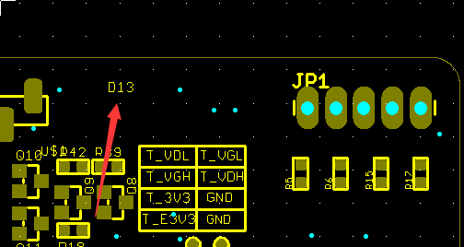 NOT sure what D13 is. | Please help to confirm D13. |  | can be ignored (removed in new GERBER files) | WARM | Open
2 | 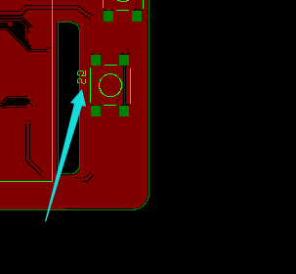 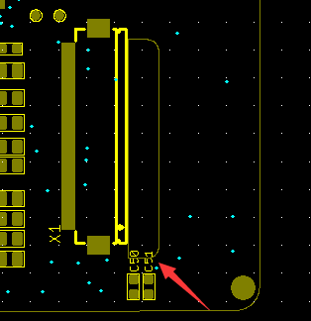 The silk screen is too close to the edge, and will be cut. | Recommend to move inside. |  | done. | WARM | Open
 | 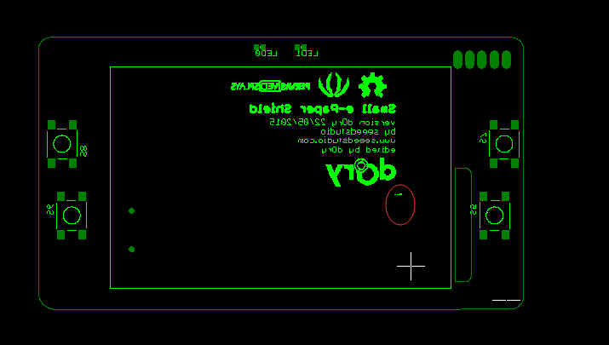 The silk screen is too small, please confirm if we can delete it? | please confirm if we can delete it. |  | yes! Removed in new files
3 | 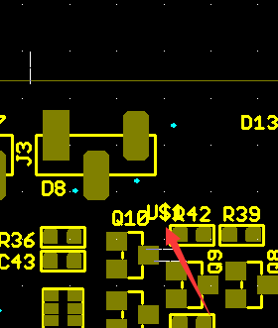 Silk screen are overlapped. | Recommend to adjust. |  | done. | WARM | Open
4 | There is no stencil layer. | please add stencil layer. |  | added GBP and GPT files. | HOT | Open

